1. Title Page
Instacart Grocery Basket Analysis

Project Name: Instacart Grocery Basket Analysis
Date: April 2023
Analyst Name: Alex Paredes

Contents:
Population Flow
Consistency checks
Wrangling steps
Column derivations
Visualizations
Recommendations

Data Citation:
The Instacart Online Grocery Shopping Dataset 2017”, Accessed from https://www.instacart.com/datasets/grocery-shopping-2017 on April 2023.

2. Population Flow
 |  |  | Title page

Population flow

Exclusion flag
Condition: max_order < 5
Observations to be removed: N/A
Final total count of order_products_all: 32,404.859

Orders_products_combined
Orders_products_merged
Orders_products_all

Total:
Total:
Total:
32,434,489 | 32,404,859 | 32,404,859

1.) The grey boxes in the first row of the population flow represent the original data sets as they were when you downloaded them. In the Total fields you need to add the count of the rows when you imported the data set into Jupyter.
2.) The second row of boxes (coloured) represents the data sets after you manipulated them, e.g., removed missing values and duplicates. In the Total fields you need to add the count of the rows after conducting these operations. This offers a visual oveview of how the data flows throughout the data consistency checks.
3.) The third row, where also the arrows are coloured, represents the merges you performed between the datasets. In the Total fields you need to add the count of the rows in the merged datasets, so that you end up with the final dataset (in the red box). Keep in mind the final dataset should be without exclusions (based on the exclusion flag).

3. Consistency checks
 |  |  |  | Title page
Consistency checks

Dataset | Missing values | Missing values treatment | Duplicates
orders | There are 206,209 missing values under the days_since_prior_order column in the df_ords dataframe | All of the records that contain missing values (NaN) in the 'days_since_prior_order' column are due to the 'order_number' column having a value of '1'. Since this a first-time purchase, it is not possible to register a value in the 'days_since_prior_order' column. No changes will be made since the missing values (NaN) can hold an importance just as much as the non-missing values. | 0
products | There are 16 missing values under the product_name column in the df_prods dataframe. | Filtered out missing values with new dataframe (df_prods_clean) | 5
orders_products_prior | 0 | 0 | 0
customers | 11,259 | No changes will be made since the missing values (NaNs) under the first_name column can hold an importance just as much as the non-missing values | 0

4. Wrangling steps
 |  |  |  |  | Title page
Wrangling steps

Data set | Columns dropped | Columns renamed | Columns' type changed | Comment/Reason
orders | eval_set | 'order_dow' : 'orders_day_of_week' | order_id - 'str' | optimize memory issues and order_id does not represent real numeric values
 |  |  | user_id - "str' | optimize memory issues and user_id does not represent real numeric values
 |  |  |  | dropped eval_set, not required for analysis
 |  |  |  | renamed order_dow for transparency
customers |  | 'First Name' : 'first_name' |  | renamed first name to lower case with underscore
 |  | 'Surnam' : 'last_name' |  | renamed surnam to last name with underscore
 |  | 'Gender' : 'gender' |  | renamed gender to lower case
 |  | 'STATE' : 'state' |  | ranamed state to lower case
 |  | Age' : 'age' |  | renamed age to lower case
 |  | 'n_dependants' : 'number_of_dependents' |  | renamed number of dependents for transparency
 |  | 'fam_status' : 'family_status' |  | renamed family status for transparency
 |  |  | user_id - "str' | changed data type for faster merging
 |  |  | age - 'int8' | changed data type for faster merging
 |  |  | number_of_dependents - 'int8' | changed data type for faster merging
 |  |  | income - 'int32' | changed data type for faster merging
order_products_merged |  |  | order_id - 'str' | changed data type for faster merging
 |  |  | user_id - "str' | changed data type for faster merging
 |  |  | order_number - 'int8' | changed data type for faster merging
 |  |  | orders_day_of_week - 'int8' | changed data type for faster merging
 |  |  | order_hour_of_day - 'int8' | changed data type for faster merging
 |  |  | days_since_prior_order - 'float16' | changed data type for faster merging
 |  |  | product_id - 'int32' | changed data type for faster merging
 |  |  | add_to_cart_order - 'int32' | changed data type for faster merging
 |  |  | reordered - 'int8' | changed data type for faster merging
 |  |  | aisle_id - int8' | changed data type for faster merging
 |  |  | department_id - 'int32' | changed data type for faster merging
 |  |  | prices - 'float32' | changed data type for faster merging
 |  |  | max_order - 'int8' | changed data type for faster merging
 |  |  | max_spender - 'float16' | changed data type for faster merging
 |  |  | ordering_behavior - 'float16' | changed data type for faster merging

5. Column derivations
 |  |  |  | Title page

Column derivations and aggregations

In this tab you should add tables below that the frequences of flags/label variables that you produced after deriving them. NB: don't do this for continuous variables, only for flags.
Dataset | New column | Column/s it was derived from | Conditions
orders_products_merged.pkl | price_range_loc | prices | # apply the loc() function and create the price_label column df_orders_products_large.loc[df_orders_products_large['prices'] > 15, 'price_range_loc'] = 'High range product' df_orders_products_large.loc[(df_orders_products_large['prices'] <= 15) & (df_orders_products_large['prices'] > 5), 'price_range_loc'] = 'Mid range product' df_orders_products_large.loc[df_orders_products_large['prices'] <= 5, 'price_range_loc'] = 'Low range product'
 | busiest_day | orders_day_of_week | # create the busiest day column using for-loops function result = [] for value in df_orders_products_large["orders_day_of_week"]: if value == 0: result.append("Busiest day") elif value == 4: result.append("Least busy") else: result.append("Regularly busy")
 | busiest_days | orders_day_of_week | # create busiest days column using for-loops function result = [] for value in df_orders_products_large["orders_day_of_week"]: if value == 0: result.append("Busiest days") elif value == 1: result.append("Busiest days") elif value == 3: result.append("Slowest days") elif value == 4: result.append("Slowest days") else: result.append("Regular days")
 | busiest_period_of_day | order_hour_of_day | # create busiest_period_of_day column using for-loops function result = [] for value in df_orders_products_large["order_hour_of_day"]: if value in [10, 11, 14, 15, 13, 12, 16, 9, 17]: result.append("Most orders") elif value in [20, 7, 21, 22, 23, 6, 0, 1, 5, 2, 4, 3]: result.append("Fewest orders") else: result.append("Average orders") result df_orders_products_large['busiest_period_of_day'] = result
orders_products_merged_columns.pkl | max_order | order_number | 1. Split the data into groups based on the “user_id” column. 2. Apply the transform() function on the “order_number” column to generate the maximum orders for each user. 3. Create a new column, “max_order,” into which you’ll place the results of your aggregation. # create max order using transform() function orders_products_merged_columns['max_order'] = orders_products_merged_columns.groupby(['user_id'])['order_number'].transform(np.max)
 | loyalty_flag | max_order | # create loyalty flag using loc() function orders_products_merged_columns.loc[orders_products_merged_columns['max_order'] > 40, 'loyalty_flag'] = 'Loyal customer' orders_products_merged_columns.loc[(orders_products_merged_columns['max_order'] <= 40) & (orders_products_merged_columns['max_order'] > 10), 'loyalty_flag'] = 'Regular customer' orders_products_merged_columns.loc[orders_products_merged_columns['max_order'] <= 10, 'loyalty_flag'] = 'New customer'
 | max_spender | user_id prices | 1. Split the data into groups based on the “user_id” column. 2. Apply the transform() function on the “prices” column to generate the average prices for each user. 3. Create a new column, “max_spender,” into which you’ll place the results of your aggregation. # create a new column containing the mean frequency of the "prices" column orders_products_merged_columns['max_spender'] = orders_products_merged_columns.groupby(['user_id'])['prices'].transform(np.mean)
 | spending_flag | max_spender | # create a flag that assigns a "spending" label to a user ID based on its corresponding max_spender value orders_products_merged_columns.loc[orders_products_merged_columns['max_spender'] < 10, 'spending_flag'] = 'Low spender' orders_products_merged_columns.loc[orders_products_merged_columns['max_spender'] >= 10, 'spending_flag'] = 'High spender'
 | ordering_behavior | user_id days_since_prior_order | 1. Split the data into groups based on the “user_id” column. 2. Apply the transform() function on the “days_since_prior_order” column to generate the median values for each user.¶ 3. Create a new column, “ordering_behavior,” into which you’ll place the results of your aggregation. # create a new column containing the median frequency of the "days_since_prior_order" column orders_products_merged_columns['ordering_behavior'] = orders_products_merged_columns.groupby(['user_id'])['days_since_prior_order'].transform(np.median)
 | order_frequency_flag | ordering_behavior | # create a flag that assigns a "spending" label to a user ID based on its corresponding max_spender value orders_products_merged_columns.loc[orders_products_merged_columns['ordering_behavior'] > 20, 'order_frequency_flag'] = 'Non frequent customer' orders_products_merged_columns.loc[(orders_products_merged_columns['ordering_behavior'] <= 20) & (orders_products_merged_columns['ordering_behavior'] > 10), 'order_frequency_flag'] = 'Regular customer' orders_products_merged_columns.loc[orders_products_merged_columns['ordering_behavior'] <= 10, 'order_frequency_flag'] = 'Frequent customer'
orders_products_customers_merged_2.pkl | region | state | # create region column using for-loops function result = [] for value in orders_products_customers_merged_2 ["state"]: if value in ['Maine', 'New Hampshire', 'Vermont', 'Massachusetts', 'Rhode Island', 'Connecticut', 'New York', 'Pennsylvania', 'New Jersey']: result.append("Northeast") elif value in ['Wisconsin', 'Michigan', 'Illinois', 'Indiana', 'Ohio', 'North Dakota', 'South Dakota', 'Nebraska', 'Kansas', 'Minnesota', 'Iowa', 'Missouri']: result.append("Midwest") elif value in ['Idaho', 'Montana', 'Wyoming', 'Nevada', 'Utah', 'Colorado', 'Arizona', 'New Mexico', 'Alaska', 'Washington', 'Oregon', 'California', 'Hawaii']: result.append("West") else: result.append("South") orders_products_customers_merged_2['region'] = result
 | activity_flag | max_order | # create exclusion flag using loc() function orders_products_customers_merged_2.loc[orders_products_customers_merged_2['max_order'] < 5, 'activity_flag'] = 'Low activity' orders_products_customers_merged_2.loc[orders_products_customers_merged_2['max_order'] >= 5, 'activity_flag'] = 'High activity'
 | age_group | age | # create 'age_group' column using loc() function orders_products_customers_merged_2.loc[(orders_products_customers_merged_2['age'] >= 18) & (orders_products_customers_merged_2['age'] <= 39), 'age_group'] = 'Young Adult' orders_products_customers_merged_2.loc[(orders_products_customers_merged_2['age'] >= 40) & (orders_products_customers_merged_2['age'] <= 64), 'age_group'] = 'Middle Age' orders_products_customers_merged_2.loc[(orders_products_customers_merged_2['age'] >= 65), 'age_group'] = 'Elderly'
 | economic class | income | # create 'economic_class' column using loc() function orders_products_customers_merged_2.loc[(orders_products_customers_merged_2['income'] < 52000), 'economic_class'] = 'Low income' orders_products_customers_merged_2.loc[(orders_products_customers_merged_2['income'] >= 52000) & (orders_products_customers_merged_2['income'] <= 156000), 'economic_class'] = 'Middle income' orders_products_customers_merged_2.loc[(orders_products_customers_merged_2['income'] > 156000), 'economic_class'] = 'High income'
 | dependents_flags | number_of_dependents | # create 'dependents_flag' column using loc() function orders_products_customers_merged_2.loc[(orders_products_customers_merged_2['number_of_dependents'] == 0), 'dependents_flag'] = 'No dependents' orders_products_customers_merged_2.loc[(orders_products_customers_merged_2['number_of_dependents'] >= 1) & (orders_products_customers_merged_2['number_of_dependents'] <= 3), 'dependents_flag'] = 'Dependents'
 | department_category | df_dep_t_new departments_wrangled.csv | # create region column using for-loops function result = [] for value in orders_products_customers_merged_2 ["department_id"]: if value == 1: result.append("frozen") elif value == 2: result.append("other") elif value == 3: result.append("bakery") elif value == 4: result.append("produce") elif value == 5: result.append("alcohol") elif value == 6: result.append("international") elif value == 7: result.append("beverages") elif value == 8: result.append("pets") elif value == 9: result.append("dry goods pasta") elif value == 10: result.append("bulk") elif value == 11: result.append("personal care") elif value == 12: result.append("meat seafood") elif value == 13: result.append("pantry") elif value == 14: result.append("breakfast") elif value == 15: result.append("canned goods") elif value == 16: result.append("dairy eggs") elif value == 17: result.append("household") elif value == 18: result.append("babies") elif value == 19: result.append("snacks") elif value == 20: result.append("deli") elif value == 21: result.append("missing")

6. Conclusion
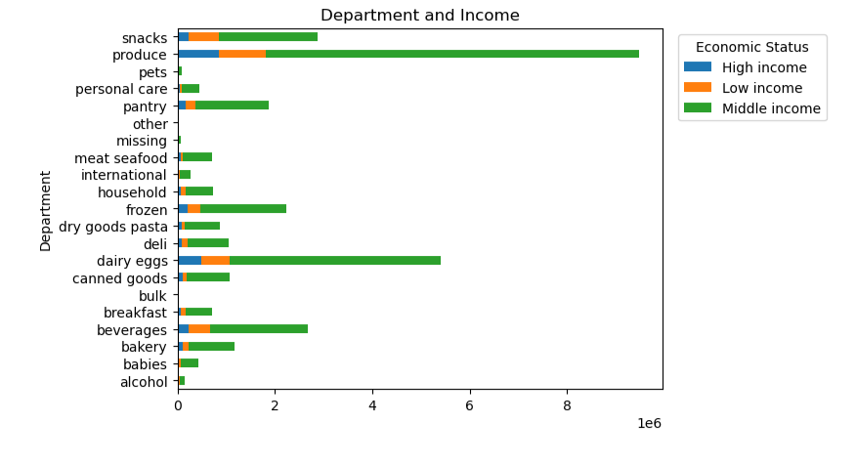
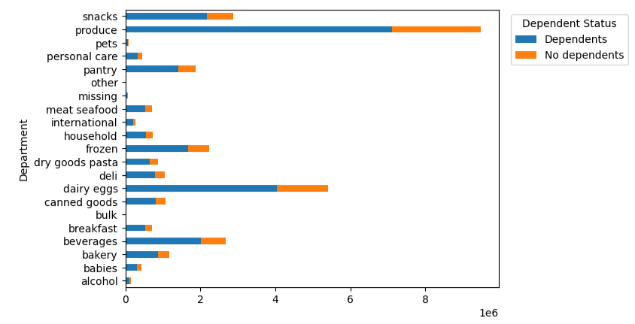
 |  |  |  | Title page

Visualisations and Recommendations

In this tab you should include all the visualtions from Exercises 4.9 and 4.10, alongside the questions from the project brief that they answer. Include any commentary on the relationship between different variables.

In this tab you should include any recommendations you would made to Instcart in terms of their marketing strategy based on the questions posed in the brief. Every key question has been covered in the Tasks of the Exercises - here you need to add an item - a visualisation or table/crosstable that is showing the answer in the data, acompanied by a comment from you. Please, list the questions below and add the answer underneath.

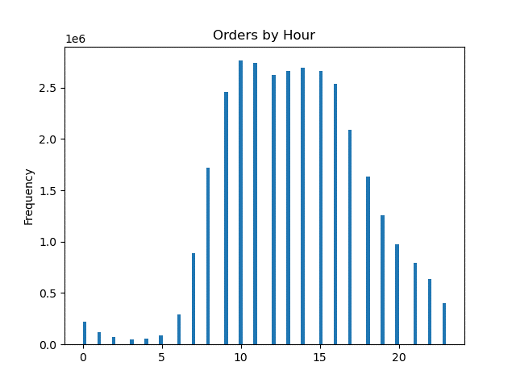
 | Question | Answer
 | 1) The sales team needs to know what the busiest days of the week and hours of the day are (i.e., the days and times with the most orders) in order to schedule ads at times when there are fewer orders. | The busiest days of the week are Saturday and Sunday. The busiest hours of the day are from 9:00 a.m. to 5:00 p.m. It is recommended to schedule ads on Tuesday and Wednesday from 9:00 a.m. to 5:00 p.m. to increase orders on these particular days.
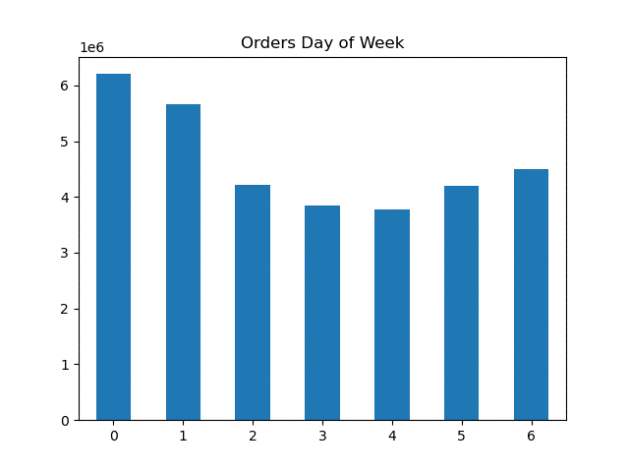 |  |  | 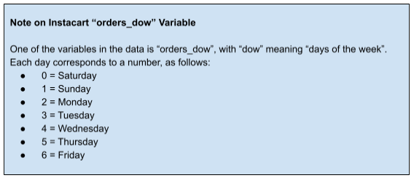


 | 2) They also want to know whether there are particular times of the day when people spend the most money, as this might inform the type of products they advertise at these times. | Customer spend the most money from 10:00 a.m. to 4:00 p.m. The prices rises at 10:00 a.m. from 7.750 to 7.800 and remains consistent. It is recommended to commence advertisement around these hours to increase customer spending.

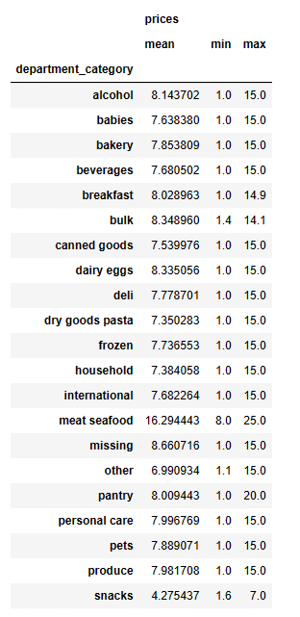
 | 3) Instacart has a lot of products with different price tags. Marketing and sales want to use simpler price range groupings to help direct their efforts. | Most products are between $1 and $15, while a few are higher priced at $15 to $25. It is recommended to market the lower priced products for customer awareness.


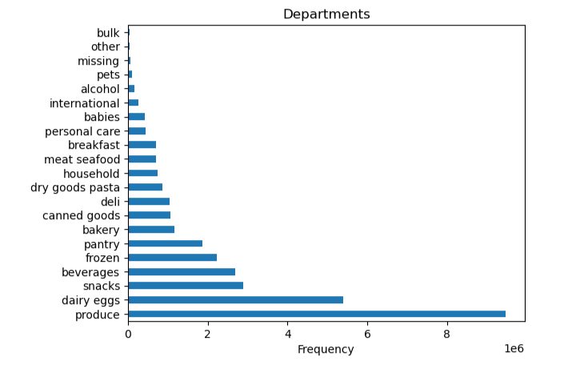
 | 4) Are there certain types of products that are more popular than others? The marketing and sales teams want to know which departments have the highest frequency of product orders. | The produce department has the highest frequency with 9,479,291. Dairy eggs is more popular than beverages and snacks. It is recommended to continue to market the most popular items while advertise the least popular items to increase purchases.

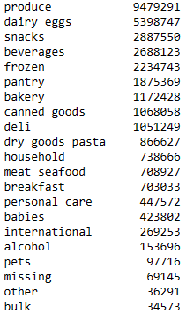

 | 5) The marketing and sales teams are particularly interested in the different types of customers in their system and how their ordering behaviors differ. For example:

 | a) What’s the distribution among users in regards to their brand loyalty (i.e., how often do they return to Instacart)? | A regular customer orders over 10 but less than or equal to 40. A loyal customer orders more than 40. A new customer will order less than or equal to 10. The regular customer has the highest frequency among other users. It is recommended that Instacart rewards the regular customers with discounts and additional perks.
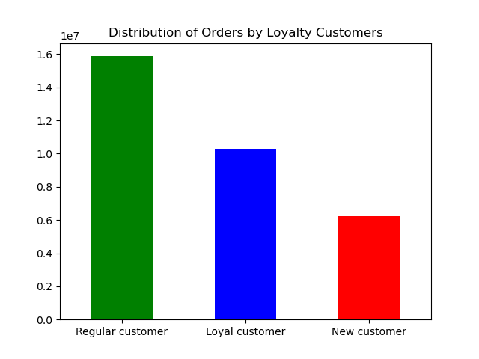

 | b) Are there differences in ordering habits based on a customer’s loyalty status? | Regular and new customers ordering habits are high on Saturdays. Loyalty customers ordering habits are high on Sundays. The ordering habits by hour are from 9:00 a.m. to 4:00 p.m. It is recommended to reward the customers with discounts and additional perks.
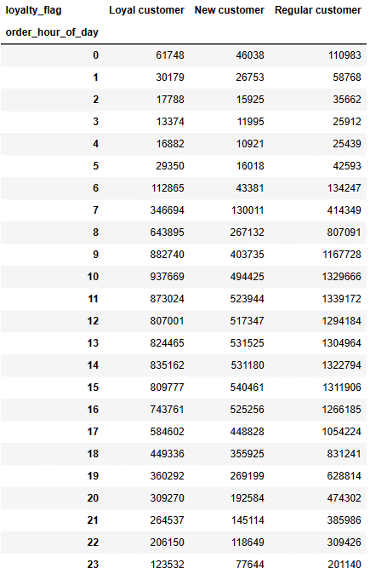

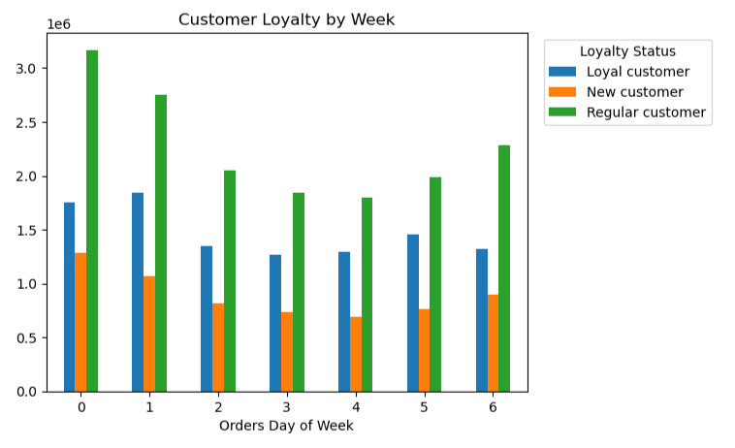
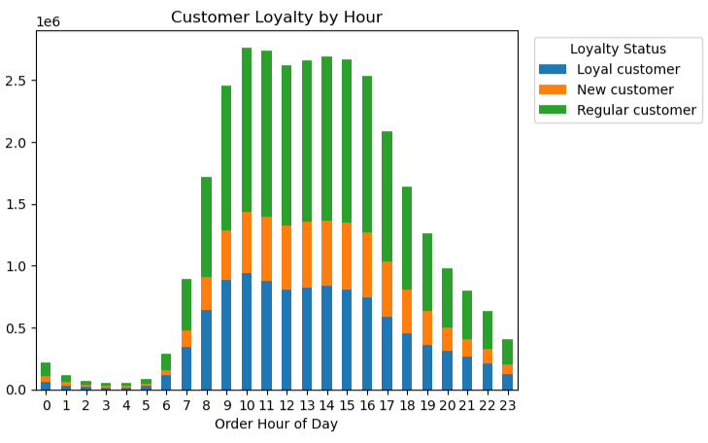

 | c) Are there differences in ordering habits based on a customer’s region? | The South region has the most low spenders. There are no differences in ordering habits. It is recommended to promote ads in the Northeast to increase ordering habits.
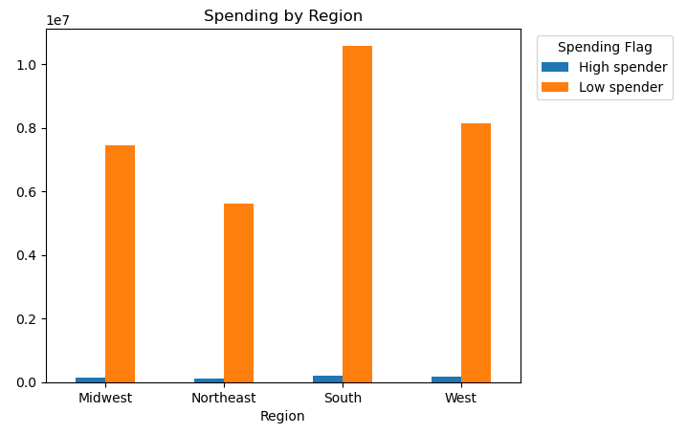

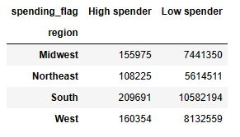

 | d) Is there a connection between age and family status in terms of ordering habits? | Middle Age and married customers' ordering habits are similar as they place the most orders on Saturday, Sunday, and Friday. It is recommended to target middle aged and married customers to ensure increased sales of products.
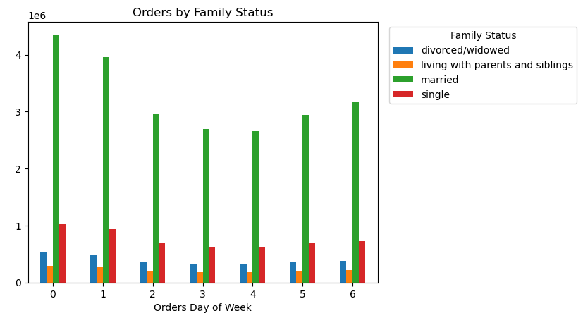
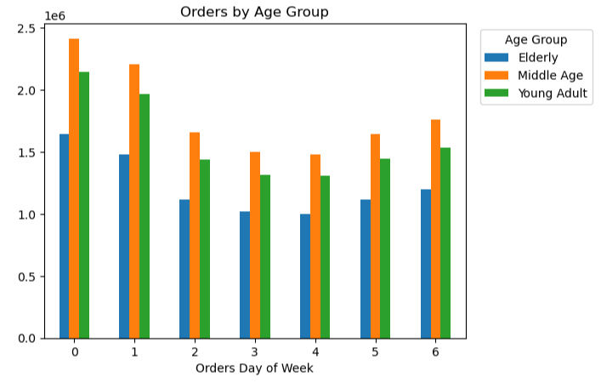

 | e) What different classifications does the demographic information suggest? Age? Income? Certain types of goods? Family status? | Middle age, middle income, married customers along with those who have dependents make the most purchases via Instacart. It is recommended that Instacart target these types of customers to ensure increased sales of their products.
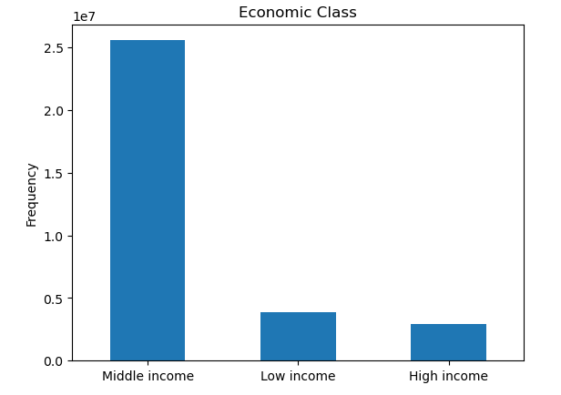
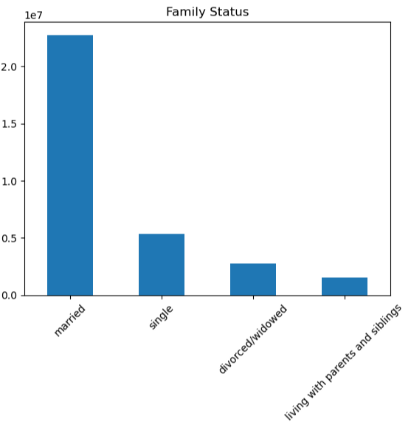
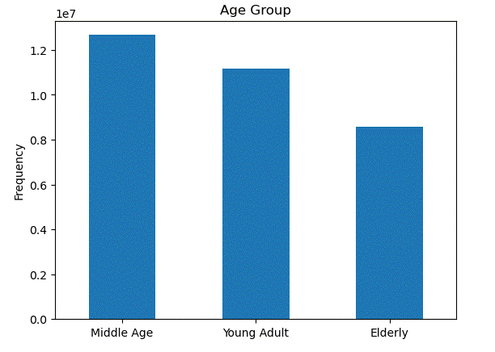

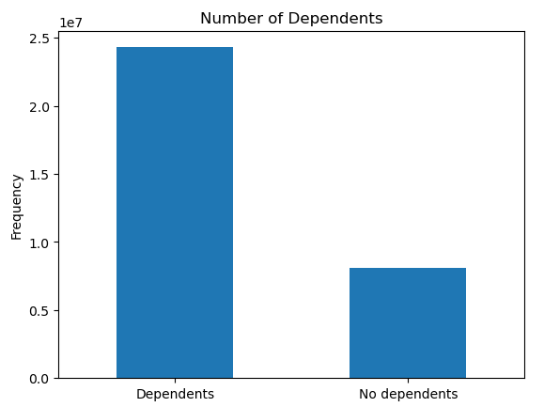

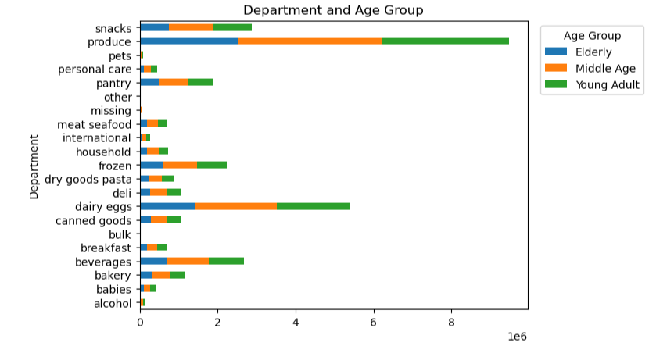
 | f) What differences can you find in ordering habits of different customer profiles? Consider the price of orders, the frequency of orders, the products customers are ordering, and anything else you can think of. | Middle age, middle income, and customers with dependents possess the highest ordering habits based on the customer profiles. It is recommended that Instacart target these types of customers to ensure increased sales of their products.

